Sheet1
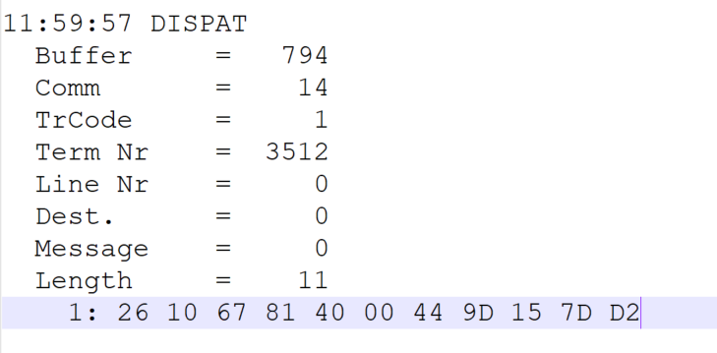
 |  |  |  |  | HEXA | BIN | DEC
TestByte |  | Size | Field Contents
Start | End
1 | 1 | 1 | Control | Sequence | 26 | Control=0010 Sequence=0120 | 2 6 | Control -> x10 - Application Message Sequence -> 6
2 | 2 | 1 | Type = 1 | Subtype = see below | 10 | Type=0001 Subtype=0000 | Type=1 Subtype=0 | Type = 1 Subtype = 0
3 | 4 | 2 | Checksum |  | 67 81
5 | 5 | 1 | Statistics (see below) |  | 40 | …....... | …....... | x40 = Reader Entry
6 | 7 | 2 | Wager Julian Date |  | 00 44 |  | 68 | 31+28+9=68
8 | 10 | 3 | Wager Serial Number |  | 9D 15 7D |  | 10294653 | 10294653
11 | 11 | 1 | Wager Check Digits |  | D2 |  | 210 | 210
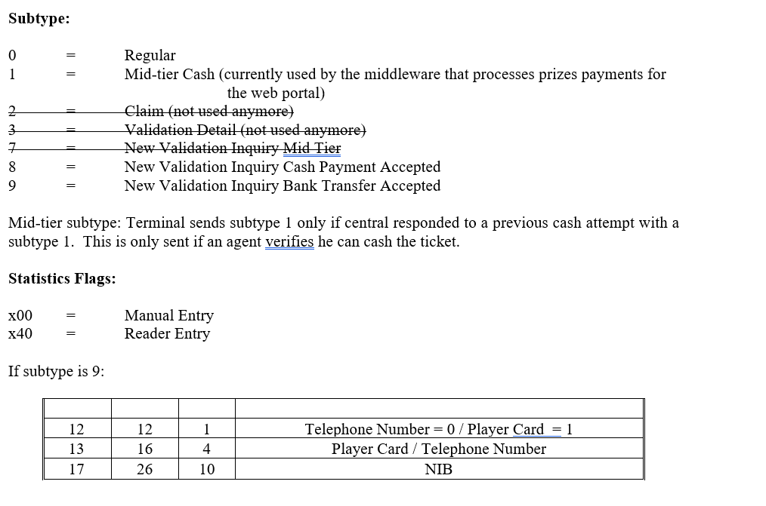

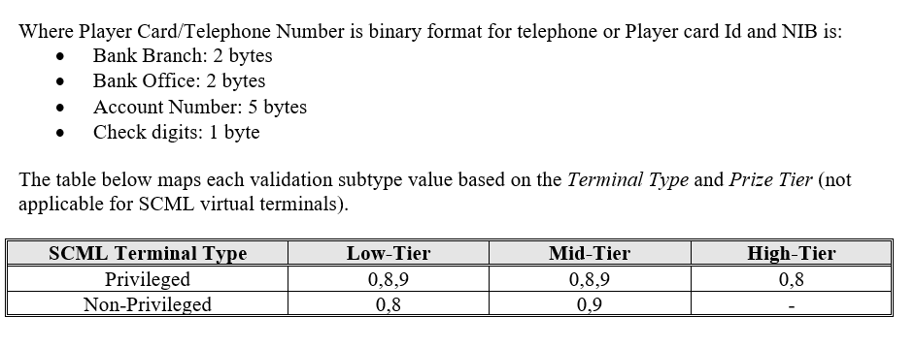

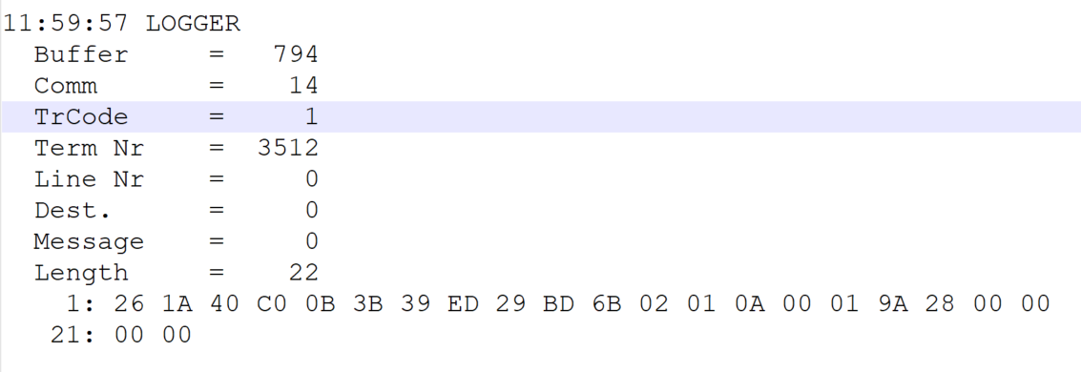
TestByte |  | Size | Field Contents
Start | End
1 | 1 | 1 | Control | Sequence | 24 | Control=0010 Sequence=0100 | 2 4 | Control -> x10 - Application Message Sequence -> 4
2 | 2 | 1 | Type = 1 | Subtype = see below | 1A | Type=0001 Subtype=1010 | Type=1 Subtype=10 | Type = 1 Subtype = 10 New Validation Inquiry Bank Tranfer Only
3 | 4 | 2 | Checksum |  | 40 C0
5 | 7 | 3 | Time |  | 0B 3B 39 |  | 11:59:57 | 11:59:57
8 | 10 | 3 | Validation Serial Number |  | ED 29 BD |  | 15542717 | 15542717
11 | 11 | 1 | Validation Check Digits |  | 6B |  | 107 | 107
12 | 12 | 1 | Game Type |  | 02 |  | 2 | SPRT - Totobola
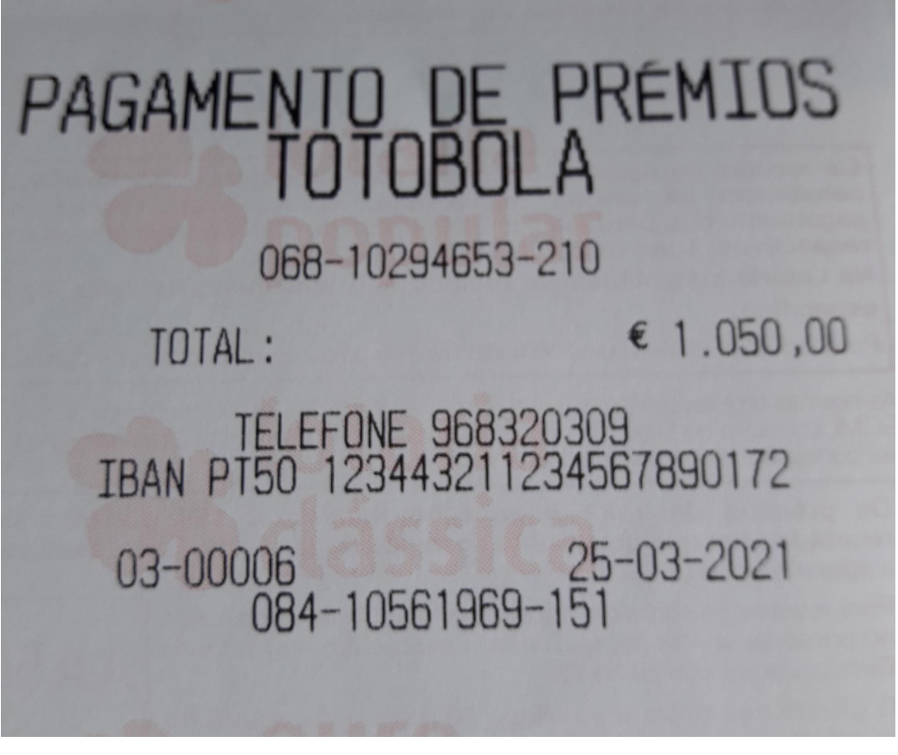
13 | 13 | 1 | Game Index |  | 01 |  | 1 | Normal
14 | 14 | 1 | Validation Status |  | 0A |  | 10 | 10 = No Exchange Ticket
15 | 18 | 4 | Cash Amount (Validation Units) |  | 00 01 9A 28 |  | 105000 Cent | 1050 euros
19 | 22 | 4 | Refund Amount (Validation Units) |  | 00 00 00 00 |  | 0 | 0

